061 - Construction Lighting
General and Emergency Lighting on Construction Sites
Nominate Equipment or Works associated with this ITC |  |  |  |  |  |  |  |  |  |  |  |  |  |  | Page 1 of 2
ITP No : |  |  |  |  | ITP Item No: |  | 3.46 |  | Job No: |  |  | Area:
Dwg No:
Function |  |  |  |  |  |  |  |  |  |  |  |  | OK | N/A | NCR raised
No | Confirm following items comply with requirements |  |  |  |  |  |  |  |  |  |  |  |  |  | Major | Minor
 | Check that the Distribution Board :
1 | Check Light fittings are securely fitted
2 | Check Emergency Exit signs visible and clear from obstructions
3 | AS3012:2019 - 2.7.1 - Ensure minimum lighting levels are at least 40 lx for walkways and 160 lx for general areas, lunch rooms and site offices. Record results on layout drawing and attach to this ITC.
 | Record Drawing Refence:
4 | AS3012:2019 - 2.7.2 - Light fittings are the correct type for the application and are protected against Mechanical damage.
5 | AS3012:2019 - 2.7.3.1 - Emergency lighting is provided in designated access and egress paths.
6 | AS3012:2019 - 2.7.3.1 - Emergency lighting is provided directly above and in front of switchboards (if natural lighting unavailable)
7 | AS3012:2019 - 2.7.3.1 Complete fields for one of the following : Item (a) or Item (b) below.
(a) | An average of 20 lx at 900 mm above floor level along the centre line of the corridor containing the emergency luminaires has been achieved. (record results on layout drawing and attach to this ITC)
(b) | Emergency lighting has been installed using luminaires complying with AS2293.3:2018 luminaire classification and the mounting height and spacing, as specified in AS3012:2018 Tables 2,3,4 and 5.
 | 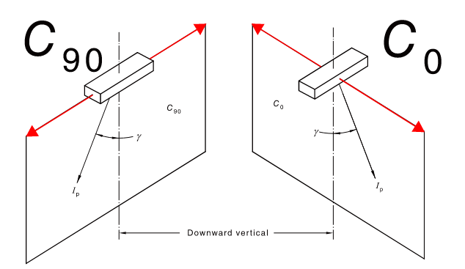
 | EM Light Type or Model No. |  |  | Fitting Classification |  | Table No. |  | Mounting Height | Max Spacing between fittings C 90 C 0

8 | AS3012:2019 - 2.7.3.1 - Emergency lighting levels are maintained for at least 60 mins following loss of normal lighting in the area.
Nominate Equipment or Works associated with this ITC |  |  |  |  |  |  |  |  |  |  |  |  |  |  | Page 2 of 2
ITP No : |  | 0 |  |  | ITP Item No: |  | 3.46 |  | Job No: |  | 0 | Area: | 0
Dwg No: |  | 0
Function |  |  |  |  |  |  |  |  |  |  |  |  | OK | N/A | NCR raised
No | Confirm following items comply with requirements |  |  |  |  |  |  |  |  |  |  |  |  |  | Major | Minor
9 | Log book is completed and copy on-site
10 | Emergency light fittings are correctly identified in line with log book
Record Serial No and Calibration Date of all IMTE used : |  |  |  |  |  | Model |  |  |  | Serial No. |  |  | Calibration Date

Comments:

Minor NCR's raised |  |  |  |  | YES | NO |  | N/A | Have all NCR's been finalised ?
 |  |  |  |  |  |  |  |  | YES |  |  | NO |  |  | N/A
Major NCR's raised |  |  |  |  | YES | NO |  | N/A

Accepted By |  |  | Name (Print) |  |  | Signature |  |  |  | Position |  |  | Date
Q Electrical
PM Review
Client (If Applicable)

